Intro
A funnel chart displays any multi-stage selection process.
 | It is common in marketing and sales.

This worksheet shows three ways of creating a funnel chart using Excel

1 | An in-cell funnel chart

2 | A stacked-bar funnel chart
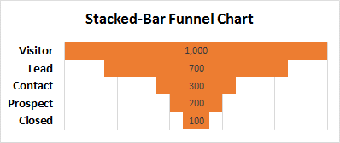

3 | A stacked-area funnel chart
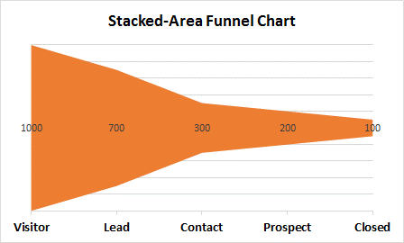

Demo | www.StatLit.org/pdf/Excel2013-Funnel-Charts-Demo.pdf
Data | www.StatLit.org/XLS/Excel2013-Funnel-Charts-Data.xlsx

Source: | http://www.criticaltosuccess.com/top-five-excel-funnel-charts-sales-marketing/

